US 21
Test Scenarios for US21
Scrum Master/ Project Manager | Megan Png
Tech Lead | Claris
QA | Hui Ying
Developer | Amanda Chan

Dated as of: | 2021-12-10
Reviewed by: | Scrum Master | Megan Png
 | Tech Lead | Claris Toh

S/NO | Created By | Test Scenario | Test Scenario Description | Test Values | Expected Outcome | Boundary? Equivalence? | Functional? Non-Functional? | Result Output | Pass/ Fail | Remarks
1 | Amanda | User wants to play the city-building strategy game, Simp City. | 1. User starts running the Simp City python script | NIL | The game's main menu can be seen by the user | Equivalence | Functional | 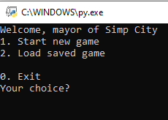 | Pass

